Sheet1
 | Document No. | Issue No. |  | Issue Date |  | Review and Replace Date |  | Authorised By
 | GFF370MC | 3 |  | 22.09.2022 |  | 17.10.2025
 | Document Title | 10 BRIE AND CRANBERRY PARCELS 200G
 | Film Updated |  |  |  | Page |  | 1 of 1 | Magda Shah
Document amendments reason for change |  |  |  |  | Previous Issue Date |  | 01.10.2025 | Uncontrolled copy unless signed original

CVBCMB-R1TEB | BOOTHS - XMAS |  | 10 BRIE AND CRANBERRY PARCELS 200G
STEP 1 |  |  |  |  | STEP 2
 |  |  |  |  | 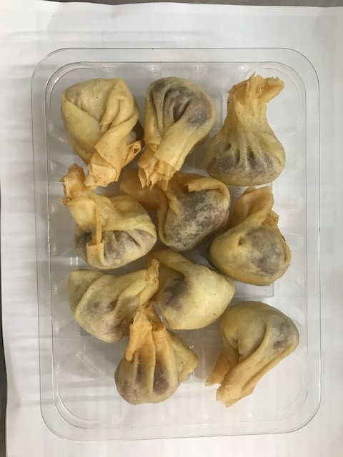

Tray: SK4 - Plain Clear (PKESS001-07) |  |  |  |  | 10 BRIE AND CRANBERRY PARCELS (GFF433R): 20g: 200G
Film: AF Weld Film (300mmX1000lm)- (1X1000) -PKKMP001-07
TOTAL WEIGHT: 200g

ALLERGY ALERT: Milk/Wheat

